20230401
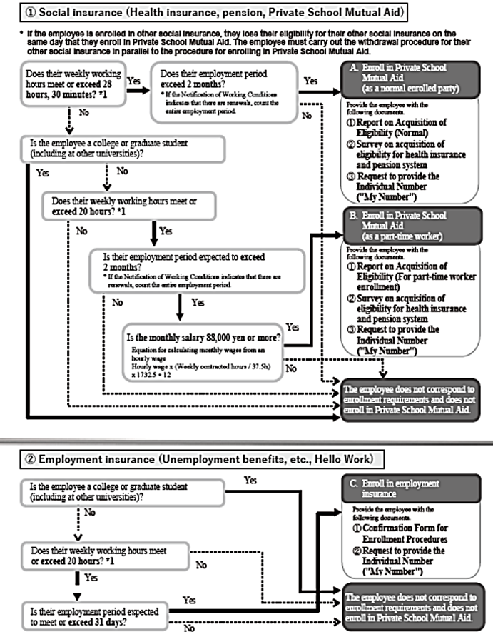
↑Date entry is not required.
*Print on both sides.
(These words will not appear when the document is printed.)
Notification of Working Conditions (Adjunct Administrative Staff) |  |  |  |  |  |  |  |  |  |  |  |  |  |  |  |  |  |  |  |  |  |  |  | MM |  |  | DD |  |  | YYYY
To: (Name)
 | The work conditions related to your employment are as follows.
 |  |  |  |  |  |  |  |  |  |  |  |  |  |  | The Ritsumeikan Trust
 |  |  |  |  |  |  |  |  |  |  |  |  |  |  | Yutaka Niino, Administrative Manager of the Office of Human Resources

[Working Conditions Section] | *The researcher in charge must check or fill in the applicable items.
Type of Employment | Adjunct Administrative Staff (who are authorized to access the exclusive network for researchers (Kyoken)) (Those who do not have student status at Ritsumeikan University or APU)
Employment Period |  |  | MM |  | DD |  |  | YYYY |  |  | to |  | MM |  |  | DD |  | YYYY
 | *If your prescribed work is completed during your employment period, we may end your employment contract even though some of the employment period remains.
Renewal | □In case of mutual agreement, Contract might be renewed □Will not be renewed
Criteria for Renewal | Capabilities, work conditions/attitude, progress of work performed, amount of work when the contract period is completed, and similar items
Workplace | Name of Campus: |  |  |  |  | □ | Kinugasa |  |  | □ | Suzaku |  | □ | BKC |  | □ | OIC | □ Other (Workplace: |  |  |  |  |  |  |  |  |  |  |  |  | )
 | Work Management Division/Office: |  |  |  | □Kinugasa □BKC □OIC |  |  |  |  |  |  |  |  | Research Office
Description of Work Duties | Content:
 | Work location: (Name of Bldg.: |  |  |  |  |  |  |  |  |  |  |  |  |  | ____ |  | floor | Room: |  |  |  |  |  |  |  |  |  |  |  |  | )
Start/End Time and Break Times | 1. Time of Start/End |  |  |  |  | Start：（ |  |  |  | ： |  | to |  | : |  | ） |  |  | End：（ |  |  |  | ： |  | to |  | : |  | ）
 | 2. Prescribed work hours per week
 |  | *Working hours must not exceed eight hours of actual time worked in one day or 40 hours of actual time worked in one week. There must be at least 45 minutes of break time if the actual time worked exceeds 6 hours, and at least 1 hour of break time if the actual time worked exceeds 8 hours.
Work performed outside of the specified time | No
Work Days | □ | ______ days per week |  |  |  |  | (Work on Mon./Tue./Wed./Thu./Fri./Sat./Sun.) |  |  |  |  |  |  |  |  |  |  |  | □ | Attach a shift chart or the like separately to specify the working hours and working days.
Holiday | As stipulated in Article 19 of the Ritsumeikan Trust Work Regulations for Hourly-based Employment Staff (below, the "Work Regulations").
Annual Paid Vacation | □Yes（ |  |  |  | days |  | ） | □No
Salary | Salary: |  |  |  |  |  |  |  |  |  |  |  |  |  |  |  |  |  |  |  |  |  |  |  |  |  | yen/one hour of work |  |  |  |  | pull-down menu
Commuting allowance | As specified in Article 11, Regulations concerning salaries of hourly non-teaching staff |  |  |  |  |  |  |  |  |  |  |  |  |  |  |  |  |  |  |  |  |  |  |  |  |  |  |  |  |  |  | 1,000yen（Research administrative assistance）
Other allowances | As stipulated in Articles 12 to 14 of the Salary Regulations. |  |  |  |  |  |  |  |  |  |  |  |  |  |  |  |  |  |  |  |  |  |  |  |  |  |  |  |  |  |  | 1,000yen（Regarding research assistance/Collage students or collage gradduate etc.）
Salary closing date/Payment date | □Salary for a given month is closed at the end of the month, and paid on the 25th of the following month. □When work is completed, payment is made on the closest payment day. □Salary for a given month is closed on the end of the month, and paid on the 20th of the following month. |  |  |  |  |  |  |  |  |  |  |  |  |  |  |  |  |  |  |  |  |  |  |  |  |  |  |  |  |  |  | 1,150yen（Regarding research assistance/Student or graduate of the first semester of a doctoral program or a master's program）
Salary calculation/payment method | As stipulated in Articles3, 5,7 to 10 of the Salary Regulations. |  |  |  |  |  |  |  |  |  |  |  |  |  |  |  |  |  |  |  |  |  |  |  |  |  |  |  |  |  |  | 1,400yen（Regarding research assistance/Student, graduate, or person who completed course without acquiring a degree in the second semester of a doctoral program）
Pay increase, bonus & severance pay | Pay increase: No |  |  |  |  |  | Bonus: No |  |  |  |  |  |  | Severance pay: No |  |  |  |  |  |  |  |  |  |  |  |  |  |  |  |  |  | 1,900yen（Regarding research assistance/Specialized work done with the qualifications of a nurse）
Matters regarding resignation & dismissal | As stipulated in Article 10, Paragraph 1, as well as Articles 11 to 14 of the Work Regulations. |  |  |  |  |  |  |  |  |  |  |  |  |  |  |  |  |  |  |  |  |  |  |  |  |  |  |  |  |  |  | 4,000yen（Regarding research assistance/Specialized work such as counseling done with the qualifications of a clinical psychologist）
Social Insurance and Similar Coverage | Employment insurance: |  |  | □Yes □No |  |  |  |  |  |  |  |  | Private School Mutual Aid: |  |  |  | □Yes □No |  |  |  | Worker's accident insurance: |  |  |  |  |  | Yes
Inquiries | □Kinugasa □BKC □OIC |  |  |  |  |  |  |  |  |  | Research Office
Other | Researcher in charge: affiliation |  |  |  |  |  |  |  |  |  |  |  | Name: |  |  |  |  |  |  |  | (ID Number of Faculty / Administrative Staff)
 | Work supervisor (manager): affiliation |  |  |  |  |  |  |  |  |  |  |  | Name: |  |  |  |  |  |  |  | (ID Number of Faculty / Administrative Staff)
*Conditions other than the above are decided according to the Work Regulations and Regulations Concerning Salaries.

[Basic Employee Information] | *The employee must check or fill in the applicable items.
Employee Name and DOB | Furigana |  |  |  |  |  |  |  |  |  |  |  |  |  |  |  |  |  |  |  | Date of Birth |  |  |  | Western Calendar |  |  |  |  | YYYY
 | Name |  |  |  |  |  |  |  |  |  |  |  |  |  |  |  |  |  |  |  |  |  |  |  |  |  |  |  |  | MM/DD
Student of Other University |  |  |  |  |  |  | University |  |  |  |  |  |  |  |  |  | College/Graduate School |  |  |  | Student ID No.
(*Regular working adult does not need to fill this in.) |  |  |  |  |  |  |  |  |  |  |  |  |  |  | -year student
Address/Contact Information | Address:
 | Phone No. (Mobile phone is acceptable): |  |  |  |  |  |  |  |  |  |  |  |  |  |  | E-mail:
Are you employed elsewhere within Ritsumeikan University? | □ | Yes (Place of Employment: |  |  |  |  |  |  |  |  |  |  |  |  | ) | (Employment Classification: |  |  |  |  |  |  |  |  | ) |  | □ | No
ID Number of Faculty / Administrative Staff |  |  |  |  |  |  | (7 digits) Fill in if you have employment history at Ritsumeikan and know ID Number of Faculty/Administrative Staff.
Resident Status (if foreign national) | Visa Status |  |  | □ | Study abroad |  |  |  | □ | Other ( |  |  |  |  |  | ) | Residence Period |  | Until |  |  |  | MM |  |  | DD |  |  |  | YYYY
Account Information for Bank Transfer | Name of Bank or Financial Institution: |  |  |  |  |  |  |  |  |  |  |  | Bank |  |  | Code of Bank or Financial Institution (4 digits)
*Restricted to bank accounts in the employee's name only | Name of the Branch: Branch |  |  |  |  |  |  |  |  |  |  |  | Branch |  |  | Branch Code (3 digits)
 | Account Number: |  |  |  |  | (Ordinary)
 | Account Holder Name: |  |  |  |  |  |  |  |  |  |  |  | Furigana:

[Submitted Documents]
Application for (Changes in) Exemption for Dependents of Employment Income Earners*1 |  | □ | Submitted to RU (Submitted to: |  |  |  |  |  |  |  |  |  |  |  | ) | □ | To be submitted to RU (If not submitted or for changes) |  |  |  |  |  |  |  |  |  |  | Þ [Monthly Amount A]
 |  | □ | Not submitted to RU (Already submitted to a company outside of RU or similar organization) |  |  |  |  |  |  |  |  |  |  |  |  |  |  |  |  |  |  |  |  |  |  |  |  | Þ [Monthly Amount B]
Copy of residence card (both sides) |  | □ | Submitted (Submitted to: |  |  |  |  |  |  |  |  |  |  |  | ) | *Submit a separate copy to the relevant Research Office even if you have already submitted to other departments.
(For foreigners) |  | □ | To be submitted |  |  |  |  | *Permission to engage in an activity other than that permitted by the status of residence previously granted is necessary if an international student of another university.
*1 If you have been employed for more than two months and your income from Ritsumeikan is the largest part of your income, please submit this form.
*After filling in the above information, bring this notification to the administrative office of a Research Office together with the documents to be submitted.

[Classification of Spending Budget Type] | *Submit one form for each person employed divided by each type of fund and by employment period.
Spending Budget Fund Type | □ | Research Environment Enhancement Funds
 | [Ritsumeikan University Research Promotion Program] |  |  |  |  |  |  |  | [External Funds] |  |  |  |  |  |  |  |  |  | [KAKENHI (Grants-in-Aid for Scientific Research)]
 | □ | Program for Application of the Grants-in-Aid for Scientific Research (KAKENHI acquisition promotion) |  |  |  |  |  |  | □ | Delegated Research |  |  |  |  | ( |  |  | ) | □ | Scientific Research on Innovative Areas |  |  |  |  | □ | Young Scientists ( )
 | □ | Program for International Dissemination of Research Results |  |  |  |  |  |  | □ | Extramural Collaborative Research |  |  |  |  | ( |  |  | ) | □ | Scientific Research ( ) |  |  |  |  | □ | Early-Career Scientists
 | □ | Other Internal Programs ( ) |  |  |  |  |  |  | □ | Contributions for Encouraging Research |  |  |  |  | ( |  |  | ) | □ | Challenging Exploratory Research |  |  |  |  | □ | Research Activity Start-up
 |  |  |  |  |  |  |  |  | □ | Management of Carried-Over Research Funds |  |  |  |  | ( |  |  | ) | □ | Challenging Research ( ) |  |  |  |  | □ | JSPS Research Fellows
 |  |  |  |  |  |  |  |  | □ | Other External Funds ( ) |  |  |  |  |  |  |  |  | □ | Other |  | ( |  |  |  |  |  |  |  |  | )
 |  |  |  |  |  |  |  |  |  |  |  |  |  |  |  |  |  |  | □ | Share of the Grant-in-Aid Affiliation of Representative |  |  |  |  |  | ( |  |  |  |  | )
 |  |  |  |  |  |  |  |  |  |  |  |  |  |  |  |  |  |  |  |  |  |  |  |  | Item | ( |  |  |  |  | )

n Research Representative (when partner) | Representative's affiliated organization: |  |  |  |  |  |  |  |  |  |  |  |  |  |  | Name of representative:

For Use by Division of Research
If Enrolled in Private School Mutual Aid *Enter number of days worked per week and hours worked per day. | Days worked per week |  |  |  |  |  |  |  |  | days |  | Hours worked per day |  |  |  |  |  |  |  | hours
Notes

 | ■In a case when a salary exceeding basic amount: State an approval number and attach a copy of an Approval document (only if applicable)

 | Notification No. |  |  |  |  |  | FB Code |  |  |  |  |  |  |  | Approved by |  |  |  |  | Inspected by |  |  |  |  |  | Received by
 |  |  |  |  |  |  |  |  |  |  |  |  |  |  | MM/DD/YYYY |  |  |  |  | MM/DD/YYYY |  |  |  |  |  | MM/DD/YYYY

